Model
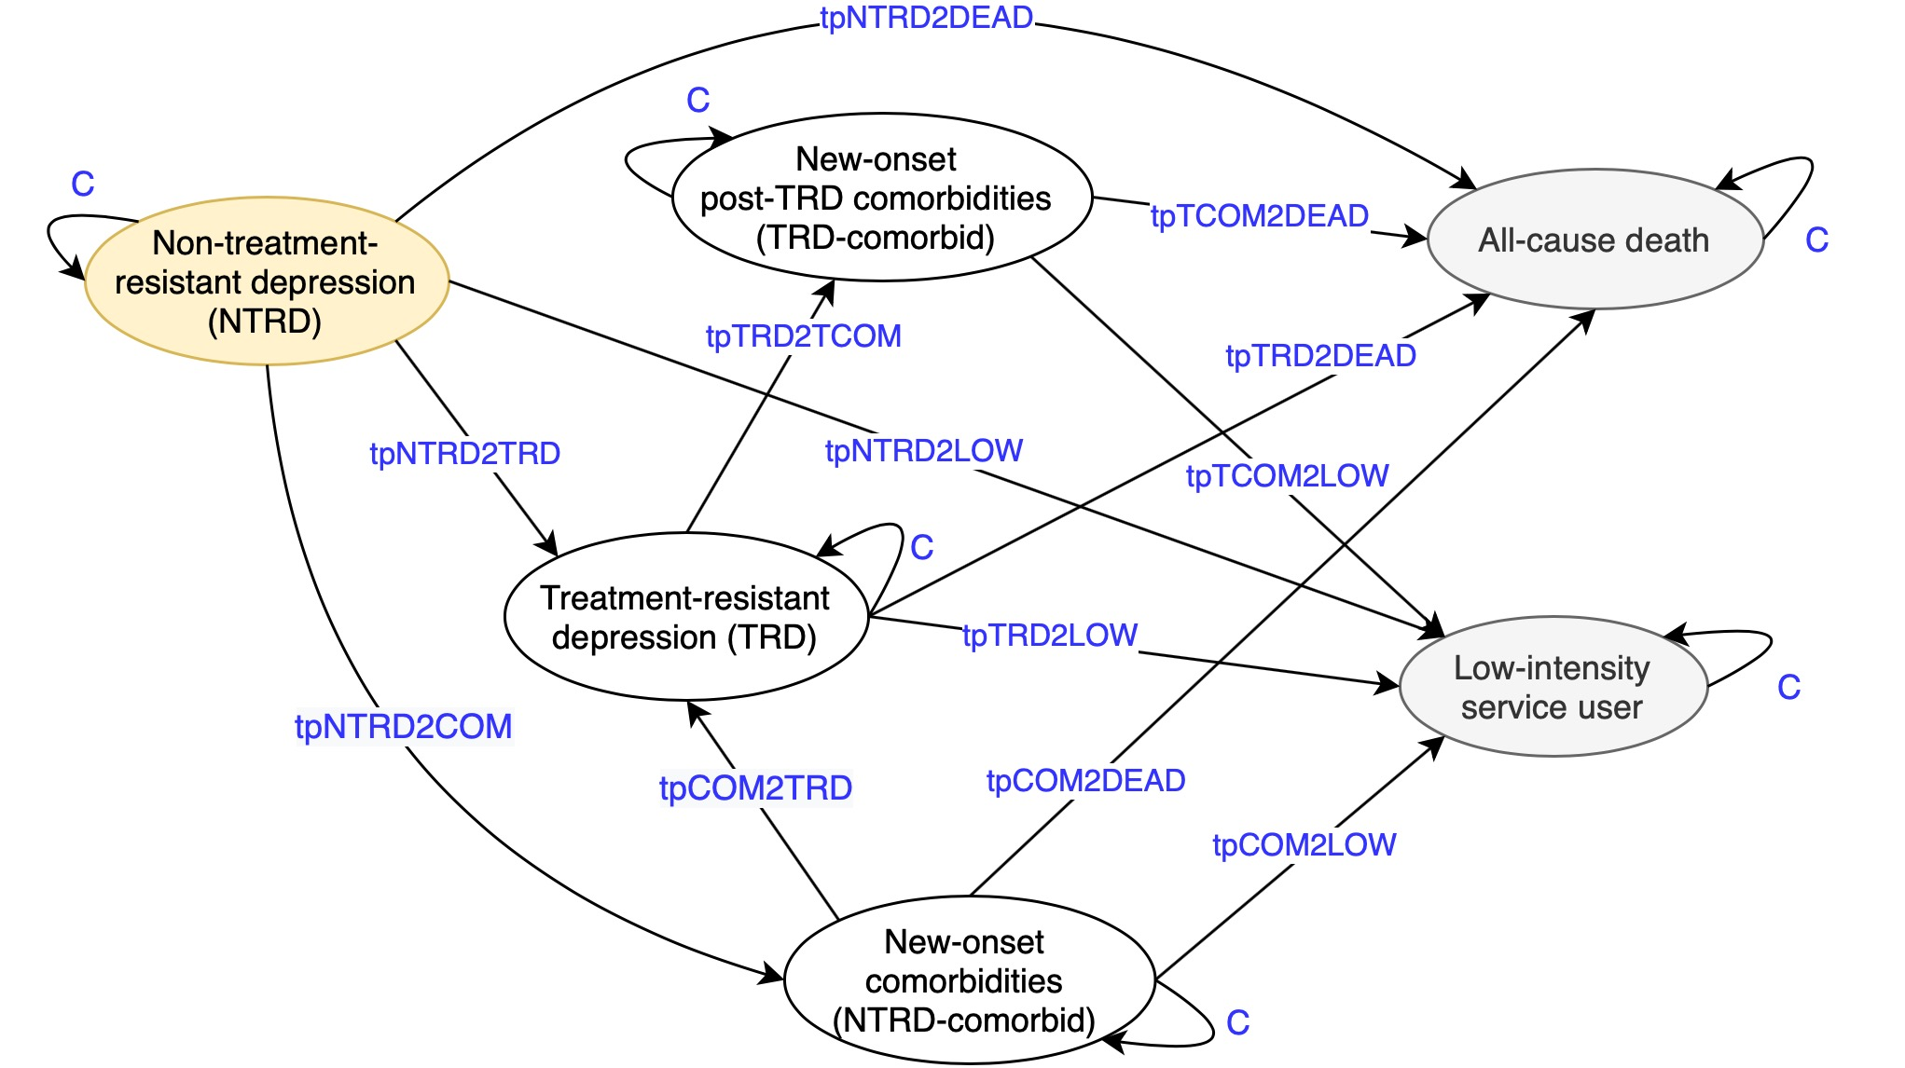
Model structure

MAPE_LIS
 | Age group |  |  |  |  |  | Age group
 | 10-24 | 25-40 | 41-65 | 65+ | Total |  | Below 65 | Above 65 | Total
Predicted LIS at Cycle 4 | 1310 | 2589 | 3066 | 996 | 7961 | Predicted LIS at Cycle 4 | 6965 | 996 | 7961
Observed LIS at Cycle 4 | 1343 | 2576 | 3057 | 1007 | 7983 | Observed LIS at Cycle 4 | 6976 | 1007 | 7983
Numerical error | -33 | 13 | 9 | -11 | -22 | Numerical error | -11 | -11 | -22
Relative error | -0.02473981216 | 0.0051205395604 | 0.0028563822994 | -0.010465317722 | -0.0027360230591 | Relative error | -0.0016202834195 | -0.010465317722 | -0.0027360230591
Absolute relative error | 0.02473981216 | 0.0051205395604 | 0.0028563822994 | 0.010465317722 | 0.0027360230591 | Absolute relative error | 0.0016202834195 | 0.010465317722 | 0.0027360230591
MAPE | - | - | - | - | 1.08% | MAPE | - | - | 0.60%

 | Sex
 | Female | Male | Total
Predicted LIS at Cycle 4 | 5670 | 2291 | 7961 |  |  | Absolute percentage error (APE) = | │(Ei/ CENi)│*100
Observed LIS at Cycle 4 | 5662 | 2321 | 7983 |  |  | Mean absolute percentage error (MAPE) = | ∑iAPEi/ n | where n is the number of groups
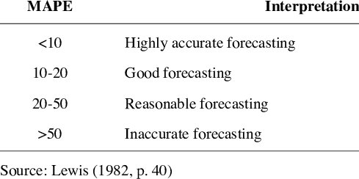
Numerical error | 8 | -30 | -22
Relative error | 0.0014555094043 | -0.012961122933 | -0.0027360230591
Absolute relative error | 0.0014555094043 | 0.012961122933 | 0.0027360230591
MAPE | - | - | 0.72%

 | Baseline medical
 | Yes | No | Total
Predicted LIS at Cycle 4 | 2265 | 5696 | 7961
Observed LIS at Cycle 4 | 2251 | 5732 | 7983
Numerical error | 14 | -36 | -22
Relative error | 0.0064281008142 | -0.0063348442103 | -0.0027360230591
Absolute relative error | 0.0064281008142 | 0.0063348442103 | 0.0027360230591
MAPE | - | - | 0.64%
 |  |  |  |  |  | Lewis, C.D. (1982). Industrial and business forecasting methods. London: Butterworths.
 |  |  |  |  |  | https://www.researchgate.net/publication/257812432_Using_the_R-MAPE_index_as_a_resistant_measure_of_forecast_accuracy/references
 |  |  |  |  |  | https://www.researchgate.net/publication/304783252_On_the_Relationship_among_Values_of_the_Same_Summary_Measure_of_Error_when_it_is_used_across_Multiple_Characteristics_at_the_Same_Point_in_Time_An_Examination_of_MALPE_and_MAPE_1

